Introduction
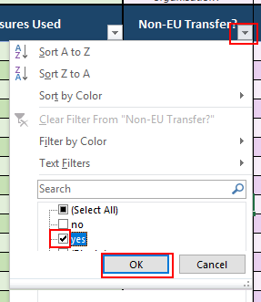
 | PROCESSING ACTIVITIES REGISTER

ABOUT THE TEMPLATE Article 30 of the GDPR requires that certain organisations maintain records of their processing activities. The specific requirements are noted in our GDPR Policy & Procedure document, and are a mandatory requirement for firms with more than 250 employees and also in certain instances, for those with less than 250 employees. The aim of keeping a record of the processing activities is to document the purposes of processing, describe the categories involved, detail disclosures and transfers, and note any time limits for erasing the personal data. USING THE TEMPLATES We have created the Processing Activities Registers in Excel for ease of use and filtering and as with all of our documents, you are free to corporate brand, edit and customise the content. It is important to make the fields and entries relevant to your business and sector. We have not used dropdown menus in this register, as many of the fields require bespoke entries. However, you are free to add data validation menus if you have repeated entry requirements that are consistent. There are 2 registers, one for controllers and one for processors. If you act in the capacity as both, complete both tabs as applicable (i.e. the controller register for your contoller processing (e.g. employee records), and the processor register for your processing activites (e.g. CRB checks). The content of the template has been added to a 'table' which allows for simple filtering and sorting of the columns. This is done by using the 'arrows' in the headings fields. Once you have completed the registers, you can then sort by heading title to access select sections. (See the sample screenshot to the right) Data Protection Bill Section Schedule 1 of the UK Data Protection Bill adds requirements for the records of processing activities when processing special category or criminal conviction personal data (see Sch.1 Pt 1, 2 & 3 for further information). This section of the register (in blue)

